Head Underwear
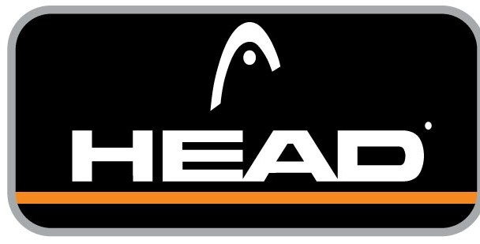
Head Underwear

Head Sport

Case pack: 24 / 6

Restrictions: Please open tab below marked "Restrictions".

Quantity: 117,845 units

Take All Price: ($4.99 per unit) Ex Warehouse Los Angeles, CA, USA.
Call for less than take all price.
Subject to change and prior sale.
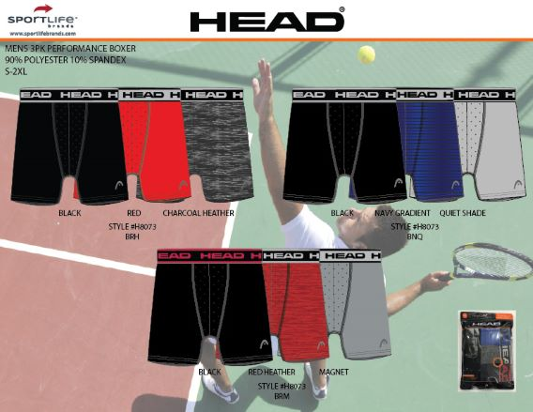
Style | Color | Description | Size | # Units
H8073 | BCR - BLACK/CHARCOAL HEATHER/ROYAL | MEN'S 3PK PERFORMANCE BOXER | S | 223
H8073 | BCR - BLACK/CHARCOAL HEATHER/ROYAL | MEN'S 3PK PERFORMANCE BOXER | XL | 2,563
H8073 | BMG - BLACK/MAGNET/GREEN | MEN'S 3PK PERFORMANCE BOXER | ASST | 3,880
H8073 | BNQ - BLACK/NAVY/QUIET SHADE | MEN'S 3PK PERFORMANCE BOXER | S / XL | 9,684
H8073 | BRH - BLACK/RED/CHARCOAL HEATHER | MEN'S 3PK PERFORMANCE BOXER | S/XL | 1,129
H8073 | BRHASST - BLACK/RED/CHARCOAL HEATHER ASST | MEN'S 3PK PERFORMANCE BOXER | ASST | 2,784
H8073 | BRM - BLACK/RED HEATHER/MAGNET | MEN'S 3PK PERFORMANCE BOXER | XL | 240
H8073 | BRMASST - BLACK/RED HEATHER/MAGNET ASST | MEN'S 3PK PERFORMANCE BOXER | ASST | 96
H8073 | BSP - BLACK/SILVER HEATHER/POLARIS | MEN'S 3PK PERFORMANCE BOXER | S/XL | 8,496
H8073 | CNY - CHARCOAL/H NAVY/YELLOW | MEN'S 3PK PERFORMANCE BOXER | ASST | 3,996
H8073 | NGH - NAVY/LIGHT GREY/HEATHER GREY | MEN'S 3PK PERFORMANCE BOXER | S | 238
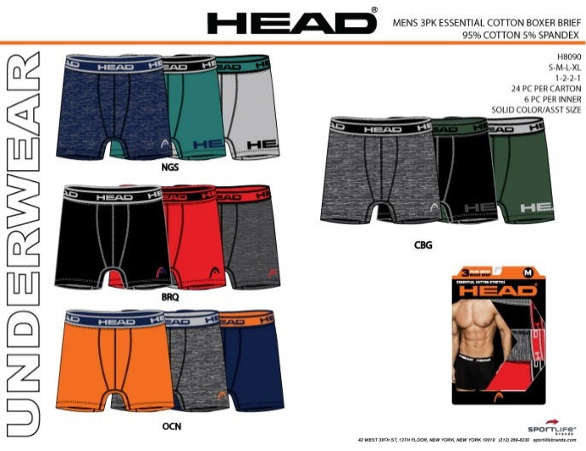
H8073 | NGHASST - NAVY/LIGHT GREY/HEATHER GREY ASST | MEN'S 3PK PERFORMANCE BOXER | ASST | 576

H8090 | BRC - BLACK/RED/CHARCOAL | MEN'S 3 PACK ATHLETIC STRETCH BOXER | ASST | 26,340
H8090 | BRQ - BLACK/RED/LT HT GREY | MEN'S 3 PACK ATHLETIC STRETCH BOXER | ASST | 1,880
H8090 | CBG - HT CHARCOAL/BLACK/GREEN | MEN'S 3 PACK ATHLETIC STRETCH BOXER | ASST | 1,880
H8090 | NGS - HT NAVY/GREEN/SILVER | MEN'S 3 PACK ATHLETIC STRETCH BOXER | ASST | 1,880
H8090 | OCN - ORANGE/HT CHARCOAL/NAVY | MEN'S 3 PACK ATHLETIC STRETCH BOXER | ASST | 1,880
H8090 | SNR - SILVERHEATHER/NAVY/ROYAL | MEN'S 3 PACK ATHLETIC STRETCH BOXER | ASST | 28,648
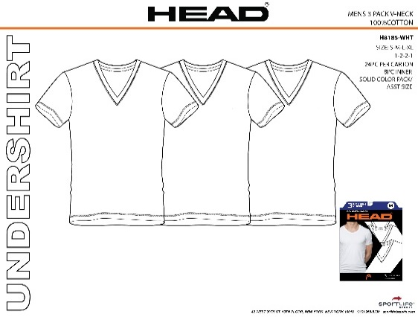

H8185 | WHITE | MEN'S 3 PACK V-NECK UNDERSHIRTS | ASST | 7,080

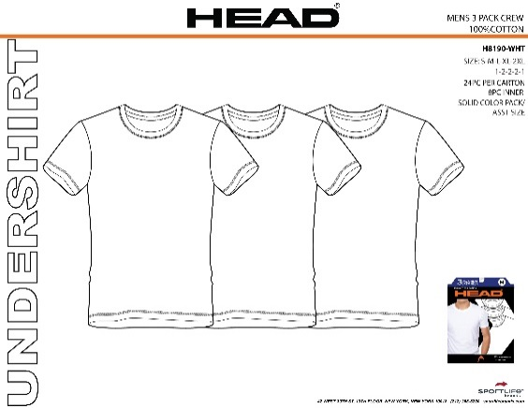

H8190 | WHITE | MEN'S 3 PACK CREW NECK UNDERSHIRTS | ASST | 7,176

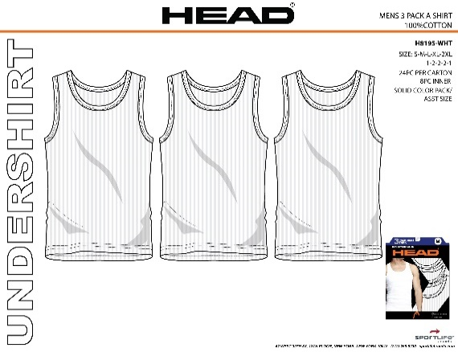
H8185 | WHITE | MEN'S 3 PACK A-SHIRT UNDERSHIRTS | ASST | 7,176

 |  |  |  | 117,845

